Measure_1
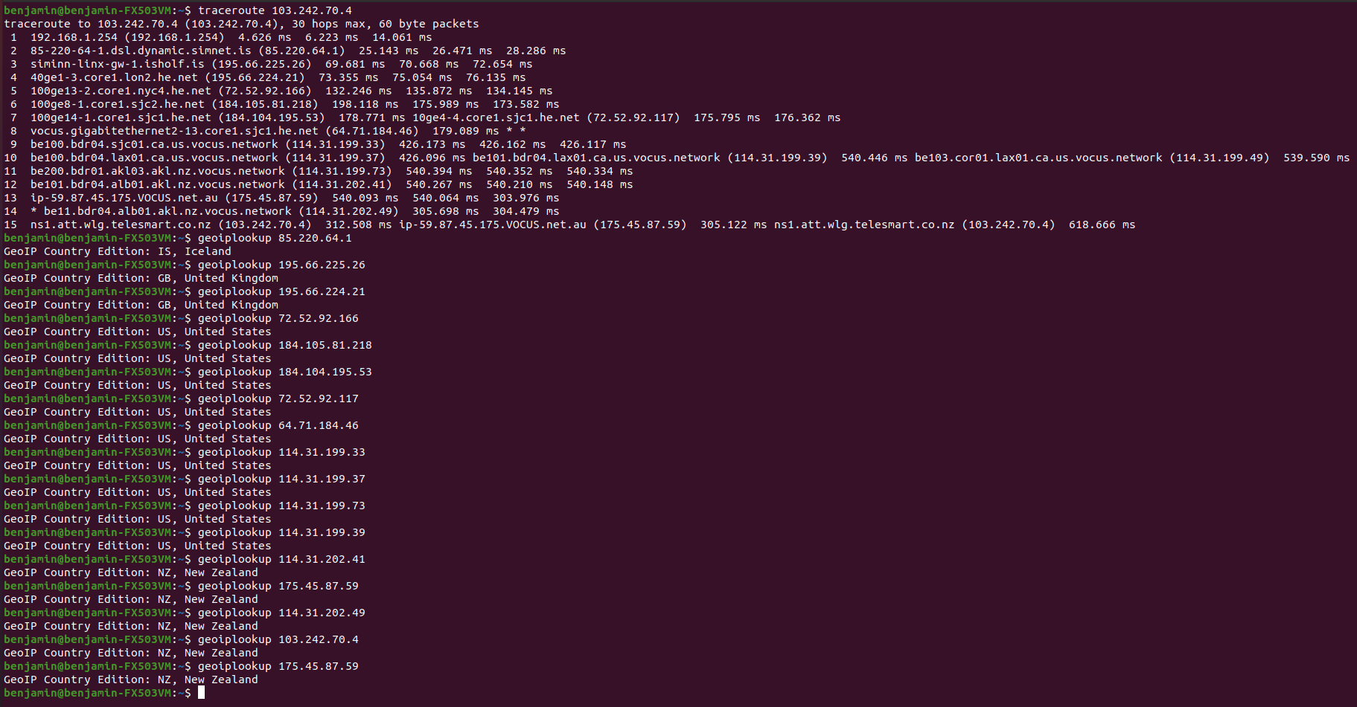
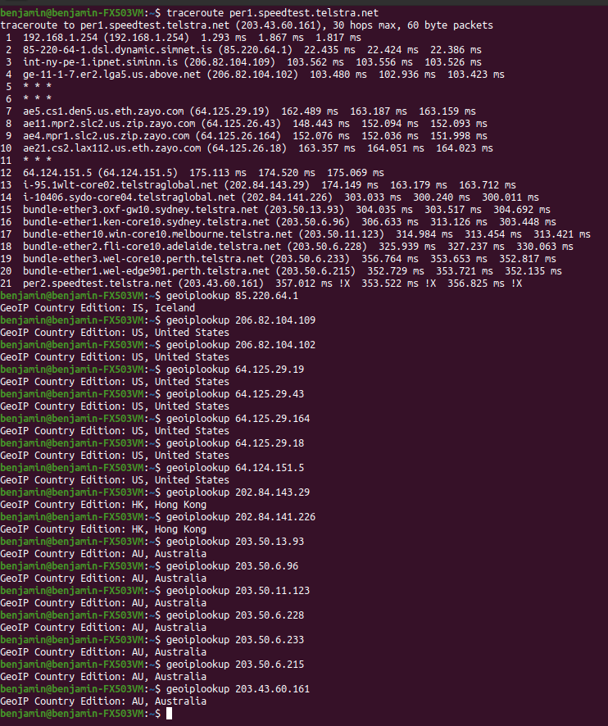
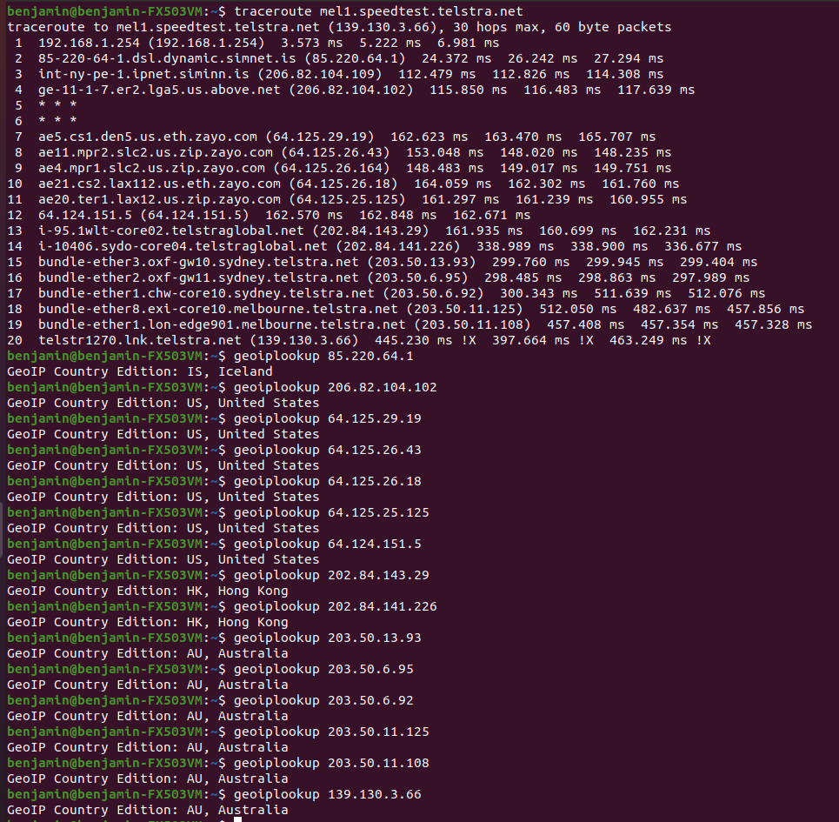
Iceland – Melbourne, Australia | Iceland – New Zealand | Iceland – Pert, Australia

